1. Title Page
[Date Analysis]

Project Name:
Date: 4/15/2023
Analyst Name: Jessica Giron

Contents:
Population Flow
Consistency checks
Wrangling steps
Column derivations
Visualizations
Recommendations

2. Population Flow
Title page

Population flow

Exclusion flag
Condition: max_order < 5
Obervations to be removed: 1,440,295
Final total count of order_products_all: 30,964,564

Orders_products_combined
Orders_products_merged
Orders_products_all

Total: 32,404,859
Total: 32,434,489
Total: 32,404,859

1.) The grey boxes in the first row of the population flow represent the original data sets as they were when you downloaded them. In the Total fields you need to add the count of the rows when you imported the data set into Jupyter.
2.) The second row of boxes (coloured) represents the data sets after you manipulated them, e.g., removed missing values and duplicates. In the Total fields you need to add the count of the rows after conducting these operations. This offers a visual oveview of how the data flows throughout the data consistency checks.
3.) The third row, where also the arrows are coloured, represents the merges you performed between the datasets. In the Total fields you need to add the count of the rows in the merged datasets, so that you end up with the final dataset (in the red box). Keep in mind the final dataset should be without exclusions (based on the exclusion flag).

3. Consistency checks
 |  |  |  | Title page
Consistency checks

Dataset | Missing values | Missing values treatment | Duplicates
orders | days_since_prior_order: 206209 missing values | first_order_flag created | No duplicates were found in the df
products | product_name: 16 missing values | values removed | 5 removed
orders_products_prior | None | N/A | None
customers | first_name: 11259 | none | None

4. Wrangling steps
 |  |  |  | Title page
Wrangling steps

Columns dropped | Columns renamed | Columns' type changed | Comment/Reason
eval_set |  |  | Not needed
aisle_id |  |  | Not needed
 | order_dow: order_day_of_week |  | Specify 'dow' meaning
 | days_since_prior_order:days_since_last_order |  | Clarify what the column represents
 |  | order_id | From int to str
 |  | user_id | From int to str
 |  | order_number | From int to str
busiest_day |  |  | there is already a 'busiest_days' flag
Unnamed: 0_x |  |  | extra index column
Unnamed:0.1 |  |  | extra index column
 | First_name: first_name |  | match the standard of other column names
 | Surnam: last_name |  | clarification
 | Gender:gender |  | match the standard of other column names
 | STATE: state |  | match the standard of other column names
 | n_dependents: number_of_dependents |  | clarification
 | fam_status: marital_status |  | clarification
 | Age:age |  | match the standard of other column names
 |  | first_name | from mix to string. The unique objects were regular names.
 | _merge |  | This check is renamed to be able to merge all data sets
first_name |  |  | data is considered to be PII
last_name |  |  | data is considered to be PII

5. Column derivations
 |  |  |  | Title page

Column derivations and aggregations

In this tab you should add tables below that the frequences of flags/label variables that you produced after deriving them. NB: don't do this for continuous variables, only for flags.
Dataset | New column | Column/s it was derived from | Conditions
df_orders_products_merged | price_range_loc | prices | <=5 or >5 and <=15 or >15
df_orders_products_merged | busiest_days | order_day_of_week | Busiest days=0,1 Least busy day= 3,4 all else is regular day
df_orders_products_merged | busiest_period_of_the_day | order_hour_of_day | most orders= 10,11,14,15,13 fewest orders=3,4,2,5,1 all else is average order
ords_prods_merge | loyalty_flag | user_id and order_number | loyal customer= >40 Regular customer= <=40 and >10 New customer=<=10
ords_prods_merge | avg_price | user_id and prices | avg price per user
ords_prods_merge | spending_flag | avg_price | <=10 low spender, >=10 high spender
ords_prods_merge | med_of_days_since_last_order | user_id and days_since_last_order | median of days
ords_prods_merge | order_freq_flag | med_of_days_since_last_order | >20=non-frequent customer, >10<=20 Regular customer, <=10 frequent customer
df_draft_instacart | activity_flag | max_order | >5 or <=5
df_instacart | age_category | age | 18-40, 40-65, 65+
df_draft_instacart | profile | department_id, number_of_dependents, age, income, gender, marital_status
profile conditions: New Parent:The combination of purchasing a baby formula and having more than one dependent most likely confirms that the user is a new parent
#Young Adult: a young adult is considered to be someone between the ages 18-40
#Senior: Someone over the age of 65 is considered to be a senior
#Middle-Age Adult: someone between the ages of 40 and 65 is considered to be middle-aged
#Single Mother: The average income of a single mother in the US rounds up to $33,000 according to the Census Bereau. Other condictions set for thios profile is the female gender and having more than 1 dependent.
#Single Father: The average income of a single father rounds up to 51000 according to the Census Bereau. Other conditions applied to this the the mle gender and having more than 1 dependent
#Partnered Parent: A partnered parent is someone who have the conditions of having more than one dependent, is married and having an income of more than $50,000
#Retired Adult: A retired adult is over 65 years of age and having zero dependents.
#Single Adult: Has no dependents, is not a senior, and has the marrage status of single.
df_instacart and df_dep | department_name | department_id and df_dep | match the id number to the name
df_draft_instacart | region | state | group states by US regions

6. Visualizations
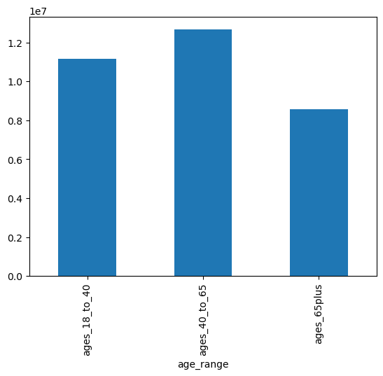
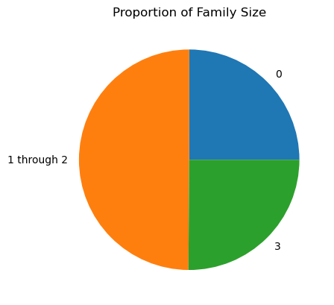
 |  |  |  |  |  |  |  |  |  |  |  | Title page

Visualisations

In this tab you should include all the visualtions from Exercises 4.9 and 4.10, alongside the questions from the project brief that they answer. Include any commentary on the relationship between different variables.

1: What are the busiest days of the week and hours of the day, (i.e., the days and times with the most orders) in order to schedule ads at times when there are fewer orders.

 | Busiest Days of the Week

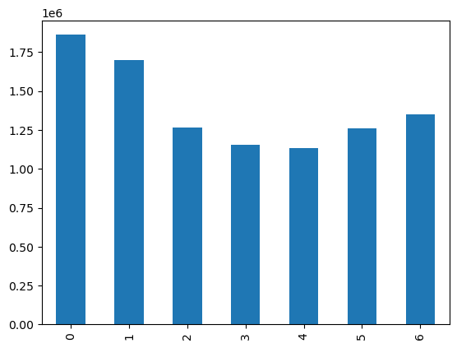
 |  |  |  |  |  |  |  |  | 0=Saturday |  |  | Saturday, Sunday, and Friday are the busiest days
 |  |  |  |  |  |  |  |  | 1= Sunday
 |  |  |  |  |  |  |  |  | 2= Monday
 |  |  |  |  |  |  |  |  | 3= Tuesday
 |  |  |  |  |  |  |  |  | 4= Wednesday
 |  |  |  |  |  |  |  |  | 5= Thursday
 |  |  |  |  |  |  |  |  | 6= Friday

 | Busiest Hours of the Day
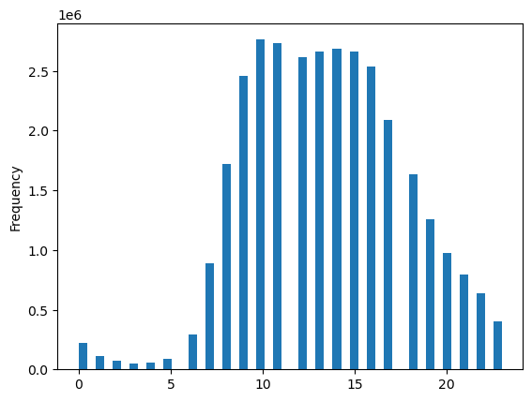
 |  |  |  |  |  |  |  |  |  |  |  | Hours 9:00 to 16:00 are the busiest
 |  |  |  |  |  |  |  |  |  |  |  | 10:00 is peak busiest hour

2: At what time of day do customers spend the most money?

 | Time Customers Spend the Most

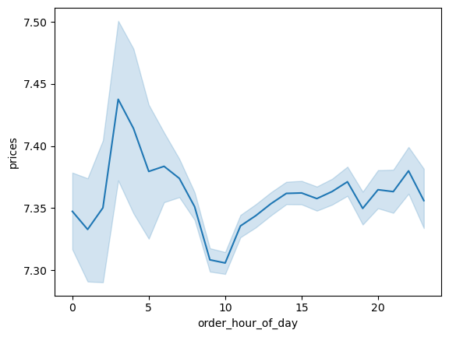
 |  |  |  |  |  |  |  |  |  |  | 4:00 is when customers place the most expensive orders
 |  |  |  |  |  |  |  |  |  |  | second to that is 3am, 6am, and 10pm

 | 3: What are the price range groupings for Instacart products?

 | Price Range Groupings

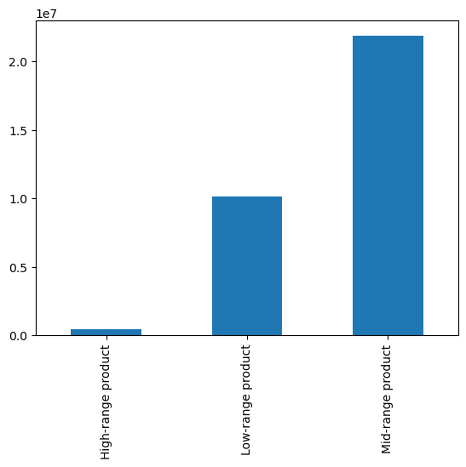

 |  |  |  |  |  |  |  |  |  | Majority of products are considered to be low and mid-range priced

 | Price Range Grouping by Department

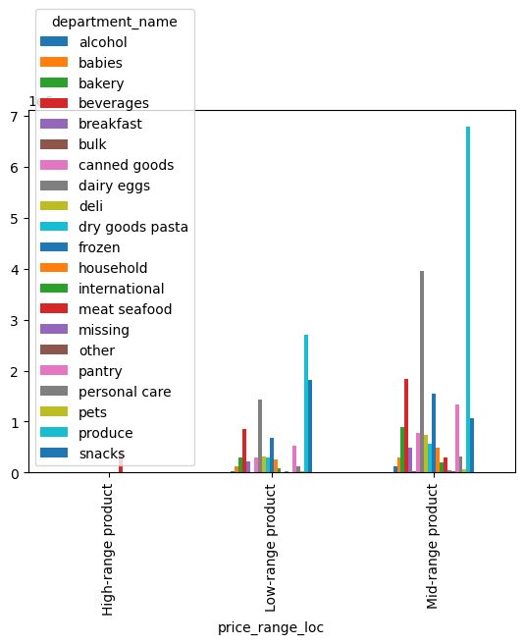
 |  |  |  |  |  |  |  |  |  | Meat and Seafood are the only products considered high-range
 |  |  |  |  |  |  |  |  |  | Produce, snacks, and dairy/eggs make up the majority of products and are in the low and mid-range categories

 | 4: Are certain types of products more popular than others? Which departments have the highest frequency of product orders?

 | Frequency of Product Order by Department

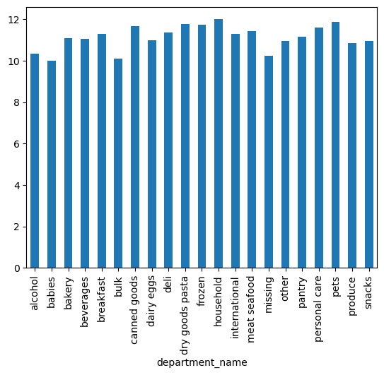
 |  |  |  |  |  |  |  |  |  | Y-axis shows the mean of days since last order placed by users

 |  |  |  |  |  |  |  |  |  | department_name
 |  |  |  |  |  |  |  |  |  | alcohol 10.340887 |  |  |  |  | household, pets, and dry goods are the least popular because they have the highest mean of days since last ordered
 |  |  |  |  |  |  |  |  |  | babies 10.004465 |  |  |  |  | babies, bulk, and alcohol are the most popular departments since they are most frequently ordered
 |  |  |  |  |  |  |  |  |  | bakery 11.097613
 |  |  |  |  |  |  |  |  |  | beverages 11.053389
 |  |  |  |  |  |  |  |  |  | breakfast 11.296101
 |  |  |  |  |  |  |  |  |  | bulk 10.104230
 |  |  |  |  |  |  |  |  |  | canned goods 11.656079
 |  |  |  |  |  |  |  |  |  | dairy eggs 10.986054
 |  |  |  |  |  |  |  |  |  | deli 11.345655
 |  |  |  |  |  |  |  |  |  | dry goods pasta 11.774450
 |  |  |  |  |  |  |  |  |  | frozen 11.730829
 |  |  |  |  |  |  |  |  |  | household 11.996490
 |  |  |  |  |  |  |  |  |  | international 11.291251
 |  |  |  |  |  |  |  |  |  | meat seafood 11.432021
 |  |  |  |  |  |  |  |  |  | missing 10.218559
 |  |  |  |  |  |  |  |  |  | other 10.952867
 |  |  |  |  |  |  |  |  |  | pantry 11.163256
 |  |  |  |  |  |  |  |  |  | personal care 11.593145
 |  |  |  |  |  |  |  |  |  | pets 11.867322
 |  |  |  |  |  |  |  |  |  | produce 10.856212
 |  |  |  |  |  |  |  |  |  | snacks 10.947879

 | 5a: What’s the distribution among users in regards to their brand loyalty (i.e., how often do they return to Instacart)?

 |  | Count of Customer Loyalty Type
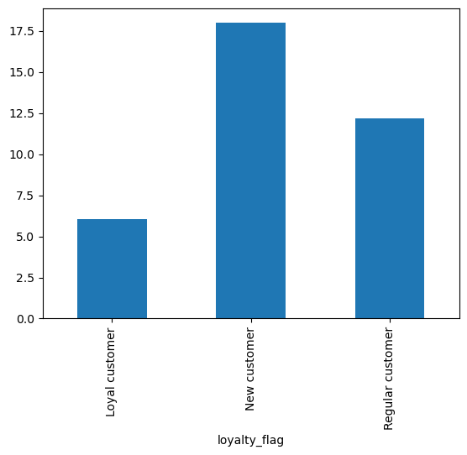

 |  |  |  |  |  |  |  |  |  | Most users are new and regular customers

 | Frequency count of Users by their Loyalty Status

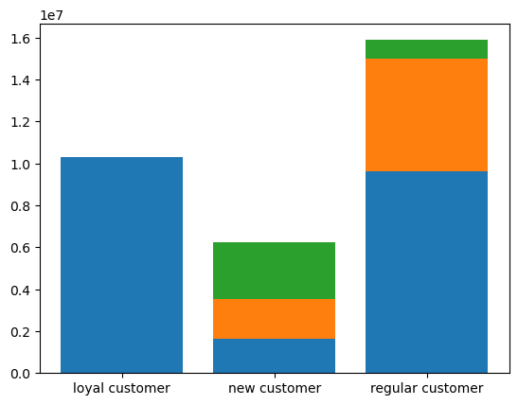
 |  |  |  |  |  |  |  |  |  | blue= frequent customer
 |  |  |  |  |  |  |  |  |  | green= non-frequent customer |  |  |  |  |  |  | Almost all loyal customers shop frequently at Instacart
 |  |  |  |  |  |  |  |  |  | orange=regular customer |  |  |  |  |  |  | New customers are more proportional in that about a third shop frequently, another third shop regularly, and the last third shop non-frequently
 |  |  |  |  |  |  |  |  |  |  |  |  |  |  |  |  | Most of the regular customers shop frequently. About a third shop regularly and a smaller amount shop non frequently

 | 5b: Are there differences in ordering habits based on a customer’s loyalty status?

 | Frequency of orders placed by customers

 |  |  |  |  |  |  |  |  |  | Loyal customers place an order every 6 days on average
 |  |  |  |  |  |  |  |  |  | New customers place orders every 17.5 days on average
 |  |  |  |  |  |  |  |  |  | Regular customers place orders every 12.5 days on average

 | Are there differences in ordering habits based on a customer’s region?
 |  |  |  |  |  |  |  |  |  |  |  |  | Region 1= Northeast |  |  |  | Region 2= Midwest |  | Region 3= South | Region 4= West
 | Count of Orders per Day of the Week

 | Region 1 |  |  |  |  |  |  |  | Region 2 |  |  |  |  |  |  |  |  | Region 3 |  |  |  | Region 4
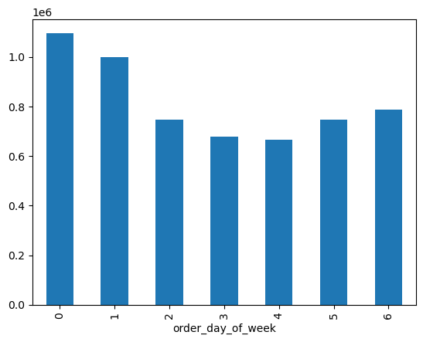

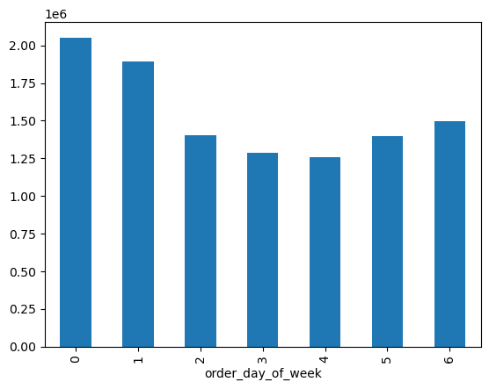


 |  |  |  |  |  |  |  |  |  |  |  |  |  |  |  | Saturday, Sunday and Fridays are the busisest days for all four regions

 | Count of Customer Frequency Type per Region
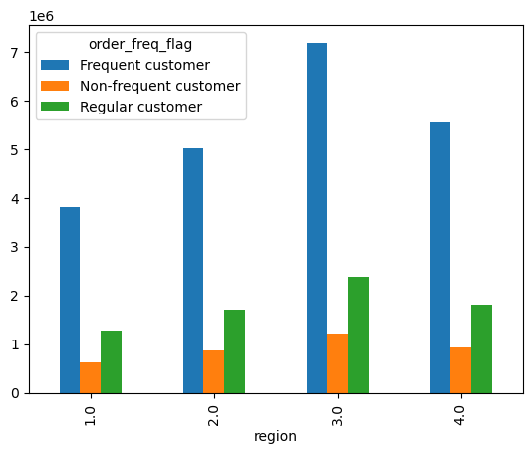
 |  |  |  |  |  |  |  |  | Region 3 has the highest amount of all three regions most likely because this region has a higher population
 |  |  |  |  |  |  |  |  | Similair trends among all three regions

Count of Orders During Time of Day by Region
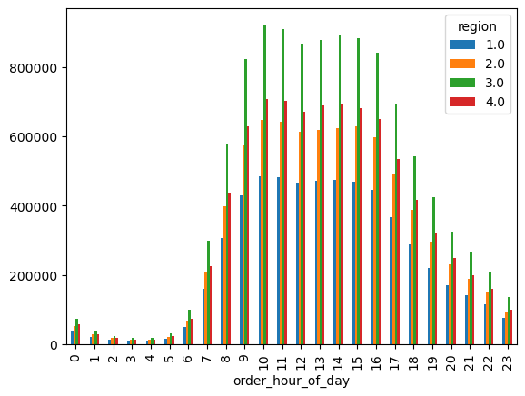

 |  |  |  |  |  |  |  |  |  | Similair trends among all four regions

 | Profiles by Department in Regions

 | Region 1 |  |  |  |  |  |  |  | Region 2 |  |  |  |  |  |  |  |  | Region 3 |  |  |  | Region 4
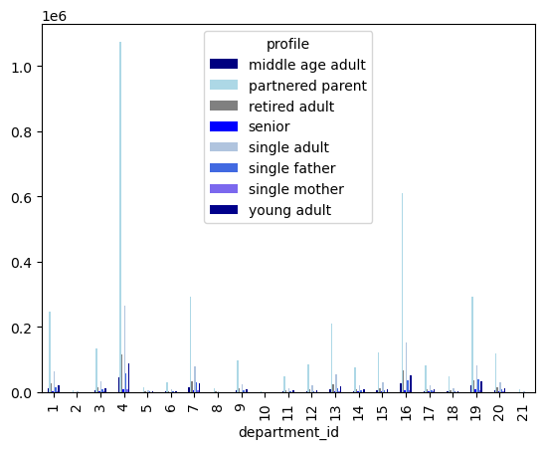

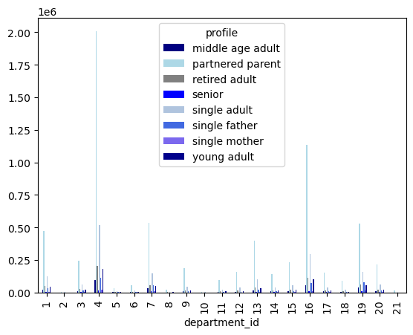


 |  |  |  |  |  |  |  |  |  | Similair trends among all four regions
 | Is there a connection between age and family status in terms of ordering habits?

 | Count of Order Each day per Age group |  |  |  |  |  |  | Count of Orders per Department by Age Group |  |  |  |  |  |  |  |  | Count of Order at Certain Times by Age Group |  |  |  |  |  | Count of Orders per Department by Users with Dependents
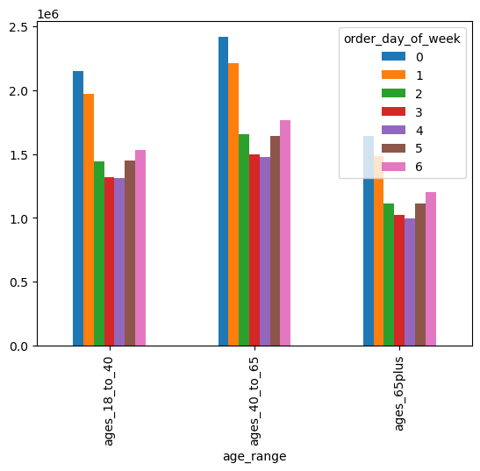
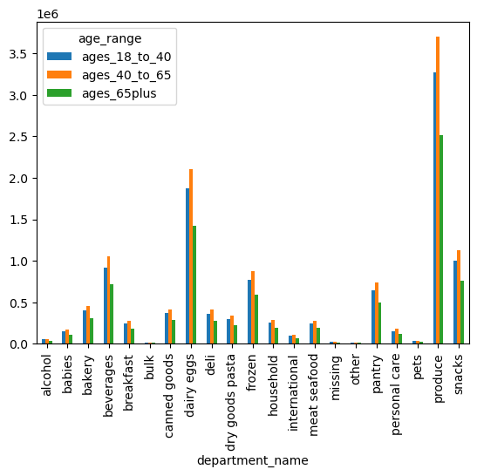
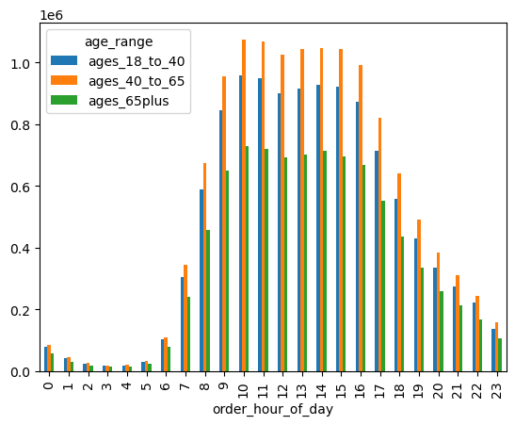
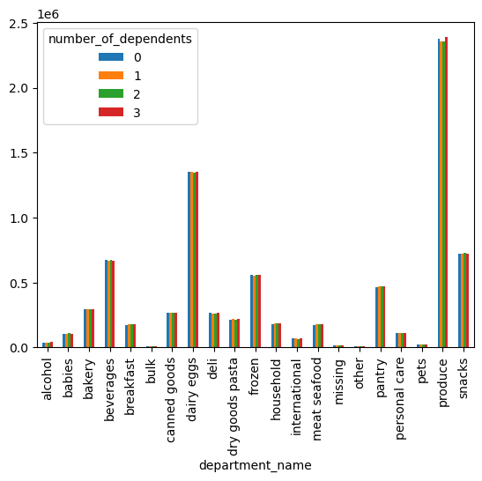
 |  |  |  |  |  |  |  |  |  |  |  |  |  |  |  |  |  |  |  |  | Similar trends across all groups

 |  |  |  |  |  |  |  |  |  |  |  |  |  |  |  |  |  |  |  |  |  |  |  | Family Size does not correlate to variation of count of department orders

 | What differences can you find in ordering habits of different customer profiles?
 | days_since_last_order |  |  |  | prices
 |  | mean | min | max |  | mean | min | max
 | profile |  |  |  | profile
 | middle age adult | 11.272513 | 0 | 30 | middle age adult | 6.922378 | 1 | 25
 | partnered parent | 11.058637 | 0 | 30 | partnered parent | 7.482987 | 1 | 25
 | retired adult | 11.065273 | 0 | 30 | retired adult | 7.36012 | 1 | 25
 | senior | 11.121202 | 0 | 30 | senior | 6.0677 | 1 | 25
 | single adult | 11.097992 | 0 | 30 | single adult | 7.34253 | 1 | 25
 | single father | 11.609259 | 0 | 30 | single father | 6.266353 | 1 | 25
 | single mother | 11.832704 | 0 | 30 | single mother | 6.080353 | 1 | 25
 | young adult | 11.105506 | 0 | 30 | young adult | 7.245482 | 1

 | What different classifications does the demographic information suggest? Age? Income? Certain types of goods? Family status?

 | Count of User per Age Group |  |  |  |  |  |  |  |  |  |  |  |  | Proportion of User per Number of Dependents

7. Recommendations
 |  | Title page

Recommendations

In this tab you should include any recommendations you would made to Instcart in terms of their marketing strategy based on the questions posed in the brief. Every key question has been covered in the Tasks of the Exercises - here you need to add an item - a visualisation or table/crosstable that is showing the answer in the data, acompanied by a comment from you. Please, list the questions below and add the answer underneath.

Question 1 | What are the busiest days of the week and hours of the day, (i.e., the days and times with the most orders) in order to schedule ads at times when there are fewer orders.

Answer | Saturday is the busiest day of the week. Sunday and Friday are second and third busiest days of the week. 10:00 is the buseist hour. 9:00 through 16:00 are peak hours for business

 | Recommendation: Tuesday and Wednesday are the slowest days of the week, ads should be scheduled during then. Schedule adds after 16:00 in the later afternoon which are also considered to be after-work hours.

Question 2 | At what time of day do customers spend the most money?

Answer | 4:00 is the hour in which the most expensive orders are placed. Expensive orders are also placed at 3:00, 6:00, and 22:00

 | Recommendation: It is important to note that these hours are times when the frequency of orders placed are low and do not make up the majority of revenue. High-price-range products such as meat and seafood are most likely being ordered. Investigation of the demographic placing expensive orders during these hours is advised.
 | so promotions can be given accordingly

Question 3 | What are the price range groupings for Instacart products?

Answer | The majority of products are in the mid-range and low-range categories. There are a few products that are considered to be high-rang and that is meat and seafood.
 | Produce, snacks, and dairy/eggs make up the majority of products and are in the low and mid-range categories

 | Recommendation:The only products that are high-range are meat and seafood. Offering a wider variety of high-range products would increase sales in this category

Question 4 | Are certain types of products more popular than others? Which departments have the highest frequency of product orders?

Answer | The most frequently ordered products are from the departments babies, bulk, and alcohol.The least popular department are househol, pet and dry good. This could be because these type of products last the longest
 | There is a high number of product bought frequently that are categorized as missing. Investigation of these values should occue.

 | Recommendation: Create advertisements and offer promotions to the least-most popular departments, especially those that are considered to be mid and high-price-range

Question 5 | What’s the distribution among users in regards to their brand loyalty (i.e., how often do they return to Instacart)?

Answer | Almost all loyal customers shop frequently at Instacart
 | New customers are more proportional in that about a third shop frequently, another third shop regularly, and the last third shop non-frequently
 | Most of the regular customers shop frequently. About a third shop regularly and a smaller amount shop non frequently

 | Recommendation: Offer coupons or create a rewards program that would encourage new and regular customers to shop more frequently

 | Are there differences in ordering habits based on a customer’s loyalty status?

 | Loyal customers place an order every 6 days on average
 | New customers place orders every 17.5 days on average
 | Regular customers place orders every 12.5 days on average

 | Recommendation: Offer coupons or create a rewards program that would encourage new and regular customers to shop more frequently

 | Are there differences in ordering habits based on a customer’s region?

 | Ordering habits are very similair among all four regions. Though Region 3 consistantly has higher order counts but this is likely due to this region being more populated than the rest

 | Recommendation: Find the most popular demographics in each regions and focus efforts in encouraging sales from them

 | What different classifications does the demographic information suggest? Age? Income? Certain types of goods? Family status?

 | There are higher counts of people ages 40 to 65
 | Proportional counts of users have either 0, 1, 2 or 3 dependents
 | It is advised that promotions and advertisments are geared especially towards people 40-65

 | What differences can you find in ordering habits of different customer profiles?

 | In regards to prices per order: partnered parents, single adults, and retired adults are the biggest spenders. Seniors and single mothers are the lowest spenders
 | In regards to order frequencies: Partnered parent, retired adults, and single adults order the most frequently. Single fathers and single mothers order the least frequent

 | Recommendation: Offer promotions to those who spend the least and who order the least frequently

 | Is there a connection between age and family status in terms of ordering habits?

 | There is no strong connection. Advertisments and promotions should be based on day of the week and time of day

